Info
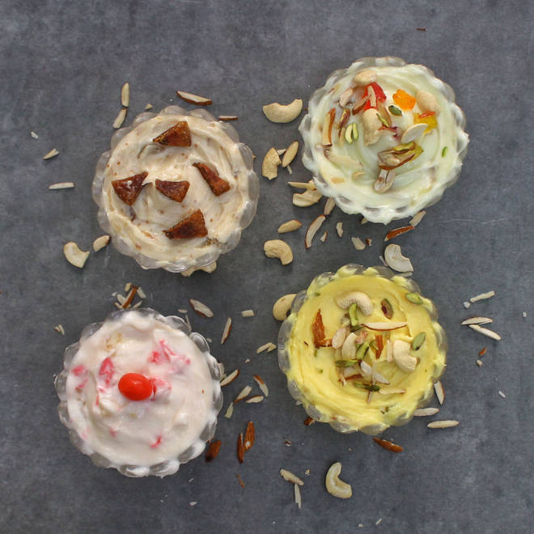
🍊 Restaurant Information

Name | Vijay Shrikhand Samrat
Area | Babajipura
Rating | 4.5
Total Ratings | 1.8K+ ratings
Cuisines | Desserts
Cost for Two | ₹200 for two
Delivery Time | 25 mins
Swiggy URL | https://www.swiggy.com/city/vadodara/vijay-shrikhand-samrat-mandvi-babajipura-rest82946
Scraped On | 18 Mar 2026, 10:27 am

── Menu Stats ──
Total Items | 21
Veg Items | 0
Non-Veg Items | 0
Bestsellers | 0
Items with Photo | 18
Categories | Recommended, Dry Fruit Matho, Regular Matho, Special Matho, Speciality Benedicts, Beverages

