Info
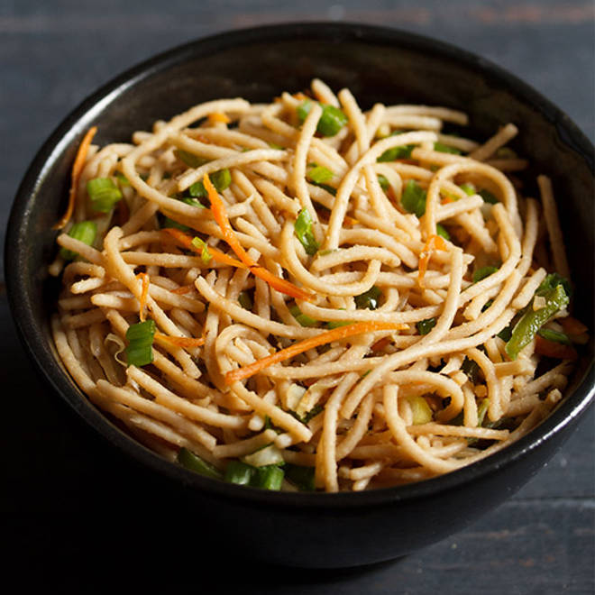
🍊 Restaurant Information

Name | Wok china
Area | Akota
Rating | 3.8
Total Ratings | 38 ratings
Cuisines | Chinese, Street Food
Cost for Two | ₹250 for two
Delivery Time | 28 mins
Swiggy URL | https://www.swiggy.com/city/vadodara/wok-china-akota-rest992173
Scraped On | 18 Mar 2026, 10:18 am

── Menu Stats ──
Total Items | 61
Veg Items | 0
Non-Veg Items | 0
Bestsellers | 0
Items with Photo | 16
Categories | Recommended, Combos And Platters, Fried Rice And Noodles, Extra, Starters, Soups

