Info
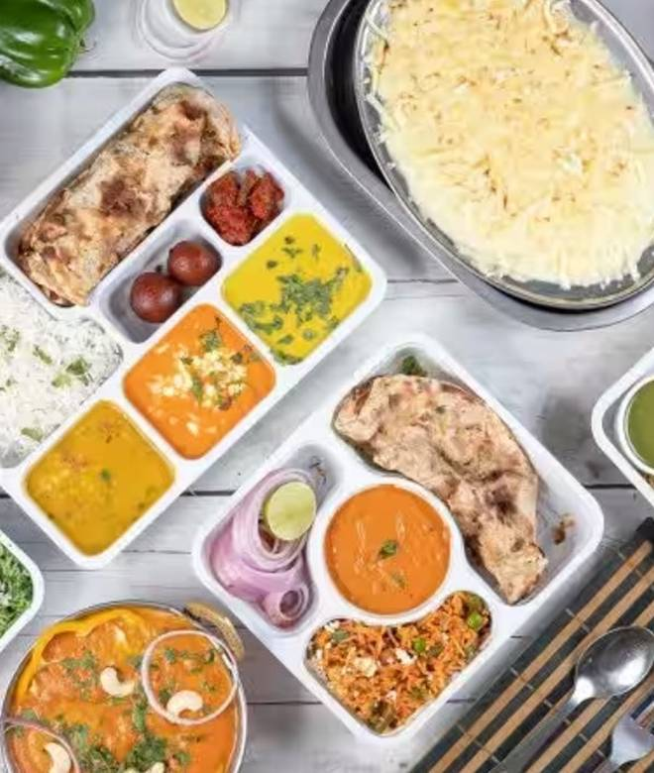
🍊 Restaurant Information

Name | Wow Meals
Area | Akota
Rating | 3.8
Total Ratings | 536 ratings
Cuisines | North Indian, Thalis
Cost for Two | ₹300 for two
Delivery Time | 32 mins
Swiggy URL | https://www.swiggy.com/city/vadodara/wow-meals-natraj-township-akota-rest86297
Scraped On | 18 Mar 2026, 10:19 am

── Menu Stats ──
Total Items | 58
Veg Items | 0
Non-Veg Items | 0
Bestsellers | 0
Items with Photo | 37
Categories | Iced Beverages, Me Meal, Soup [WM] [S], Main Course(300ml)

