Info
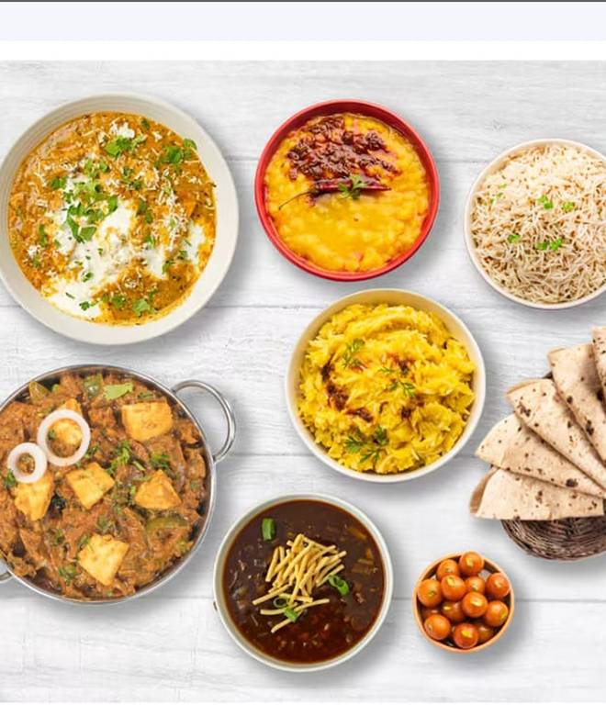
🍊 Restaurant Information

Name | A To Z Food
Area | Fatehgunj
Rating | NEW
Total Ratings
Cuisines | Chinese, Fast Food
Cost for Two | ₹300 for two
Delivery Time | 36 mins
Swiggy URL | https://www.swiggy.com/city/vadodara/a-to-z-food-fatehgunj-rest1259987
Scraped On | 18 Mar 2026, 10:31 am

── Menu Stats ──
Total Items | 105
Veg Items | 0
Non-Veg Items | 0
Bestsellers | 0
Items with Photo | 74
Categories | Rice N Biryani, Thali, Kaju Special, Chinese Rice, Starters, Roti N Paratha, Papad N Raita, Beverages, Paneer Main Course, Stuffed Paratha, Desserts, Dal Preparation, Veg Main Course, Combo, Roti N Paratha, Soups

