Info
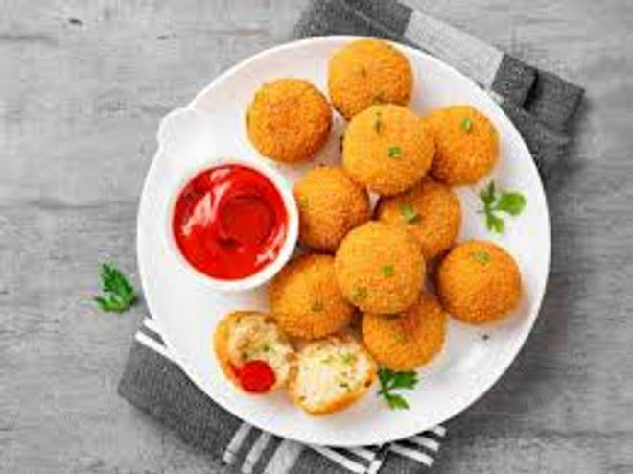
🍊 Restaurant Information

Name | Aapka Punjabi Dabba
Area | Mandvi
Rating | 3.5
Total Ratings | 9 ratings
Cuisines | North Indian
Cost for Two | ₹250 for two
Delivery Time | 40 mins
Swiggy URL | https://www.swiggy.com/city/vadodara/aapka-punjabi-dabba-mandvi-rest1165439
Scraped On | 18 Mar 2026, 10:28 am

── Menu Stats ──
Total Items | 88
Veg Items | 0
Non-Veg Items | 0
Bestsellers | 0
Items with Photo | 31
Categories | North Indian Main Course, Cutlets, Rice & Biryani, Roti, Thali, Paratha Express

