Info
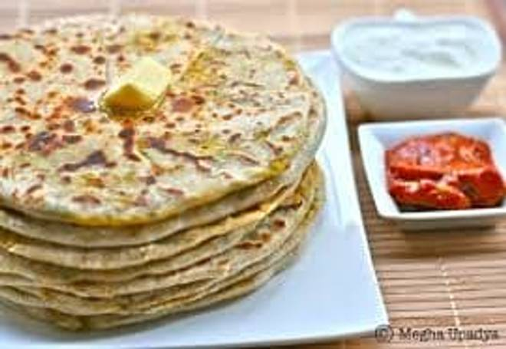
🍊 Restaurant Information

Name | Annapurna Foods Services
Area | Manjalpur
Rating | 3.7
Total Ratings | 131 ratings
Cuisines | Fast Food
Cost for Two | ₹150 for two
Delivery Time | 853 mins
Swiggy URL | https://www.swiggy.com/city/vadodara/annapurna-foods-services-sai-baba-nagar-manjalpur-rest827241
Scraped On | 18 Mar 2026, 10:28 am

── Menu Stats ──
Total Items | 175
Veg Items | 0
Non-Veg Items | 0
Bestsellers | 0
Items with Photo | 14
Categories | South Indian, Eyy Daya Farali He Kuch (Farali Special Items), Combo-Sombo, Farali Combo Dhamaka, Sravan Special Farali Thali, Chinese Cuisine, Maggi, Biryani, Thali special, Pasta, Bread & Rice, Pizza, Cutlets, Apka punjabi dabha

