Info
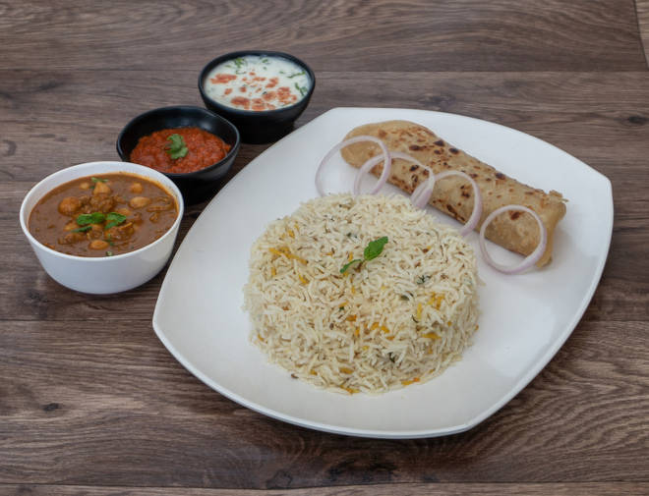
🍊 Restaurant Information

Name | BBS Food
Area | Waghodia
Rating | --
Total Ratings | Too Few Ratings
Cuisines | Combo, Thalis
Cost for Two | ₹250 for two
Delivery Time | 47 mins
Swiggy URL | https://www.swiggy.com/city/vadodara/bbs-food-waghodia-rest505565
Scraped On | 18 Mar 2026, 11:06 am

── Menu Stats ──
Total Items | 53
Veg Items | 0
Non-Veg Items | 0
Bestsellers | 0
Items with Photo | 0
Categories | Combo, Pav Bhaji, Snacks

