Info
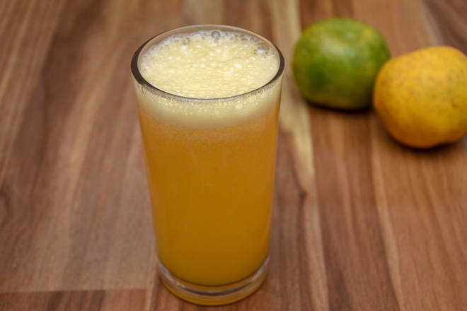
🍊 Restaurant Information

Name | BOOST - Juice & More
Area | Mandvi
Rating | 4.5
Total Ratings | 111 ratings
Cuisines | Juices, Beverages
Cost for Two | ₹150 for two
Delivery Time | 1390 mins
Swiggy URL | https://www.swiggy.com/city/vadodara/boost-juice-and-more-sahajanand-appartment-mandvi-rest691896
Scraped On | 18 Mar 2026, 10:29 am

── Menu Stats ──
Total Items | 324
Veg Items | 0
Non-Veg Items | 0
Bestsellers | 0
Items with Photo | 27
Categories | FRESH FRUIT JUICE, FRUIT DISH, MILK SHAKE, FRESH HEALTHY JUICE, THICK SHAKE, MILK SHAKE(MILK EXPRESS), VEGETABLE JUICE, GRILL SANDWICH, SANDWICH, BERRIES BLAST, PIZZA, MAGGIE, BURGER, LASSI, FRIES, Beverages, SHOTS, MOCKTAILS, MOCKTAIL JUICE, Honey, ICE CREAM, FREAKSHAKE, DryFruits, Chocolate

