Info
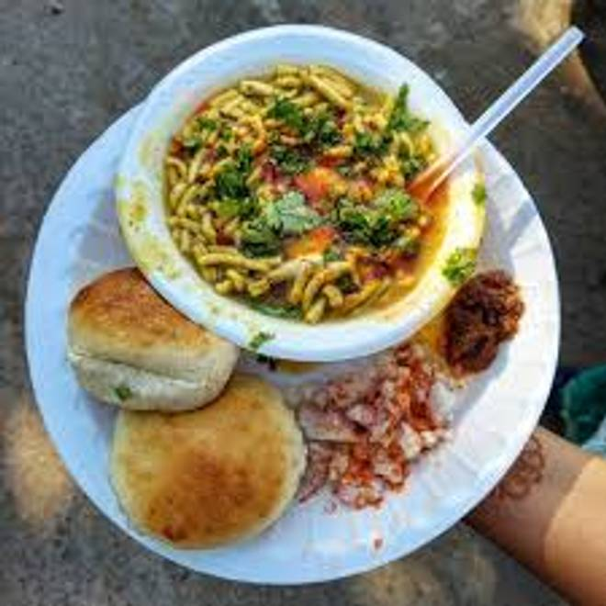
🍊 Restaurant Information

Name | Bajrangi Sevusal
Area | Mandvi
Rating | NEW
Total Ratings
Cuisines | Fast Food
Cost for Two | ₹250 for two
Delivery Time | 34 mins
Swiggy URL | https://www.swiggy.com/city/vadodara/bajrangi-sevusal-mandvi-rest1288591
Scraped On | 18 Mar 2026, 10:32 am

── Menu Stats ──
Total Items | 13
Veg Items | 0
Non-Veg Items | 0
Bestsellers | 0
Items with Photo | 6
Categories | Sev Usal, Sides, Beverages

