Info
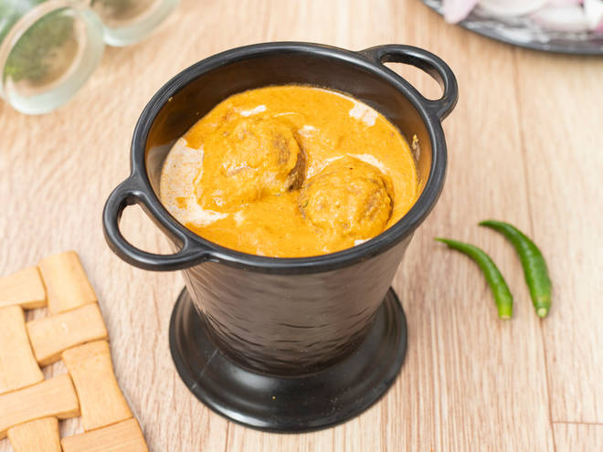
🍊 Restaurant Information

Name | Bhagwati Restaurant
Area | Alkapuri
Rating | 3.5
Total Ratings | 10 ratings
Cuisines | North Indian, Italian
Cost for Two | ₹300 for two
Delivery Time | 24 mins
Swiggy URL | https://www.swiggy.com/city/vadodara/bhagwati-restaurant-sampatrao-colony-alkapuri-rest572587
Scraped On | 18 Mar 2026, 10:35 am

── Menu Stats ──
Total Items | 122
Veg Items | 0
Non-Veg Items | 0
Bestsellers | 0
Items with Photo | 64
Categories | Recommended, Roti, Paneer, Veg. Sabji, Rice, Pizza, Paratha, Pavbhaji, Paneer Variety, Garlic Bread, Dal, Kaju, Papad, Dry Starter, Variety Nooddles, Beverages, Kofta, Maggi, Salads, Salad, Drinks abd beverages

