Info
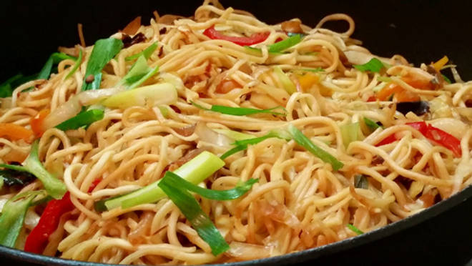
🍊 Restaurant Information

Name | Brothers Chinese
Area | Mandvi
Rating | 3.3
Total Ratings | 16 ratings
Cuisines | Chinese, Jain
Cost for Two | ₹200 for two
Delivery Time | 37 mins
Swiggy URL | https://www.swiggy.com/city/vadodara/brothers-chinese-moghul-wada-mandvi-rest493717
Scraped On | 18 Mar 2026, 10:28 am

── Menu Stats ──
Total Items | 4
Veg Items | 0
Non-Veg Items | 0
Bestsellers | 0
Items with Photo | 3
Categories | Milk Shake

