Info
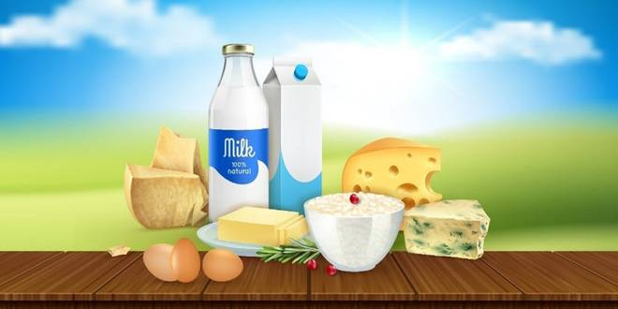
🍊 Restaurant Information

Name | C.N. Bumiya
Area | Mandvi
Rating | 4.5
Total Ratings | 97 ratings
Cuisines | Sweets, Snacks
Cost for Two | ₹200 for two
Delivery Time | 26 mins
Swiggy URL | https://www.swiggy.com/city/vadodara/c-n-bumiya-c-n-bumia-mandvi-rest272602
Scraped On | 18 Mar 2026, 10:30 am

── Menu Stats ──
Total Items | 84
Veg Items | 0
Non-Veg Items | 0
Bestsellers | 0
Items with Photo | 10
Categories | Recommended, Winter Special, Shrikhand And Matho, Milk Product, Farsan, Shivratri Special Farali, Gauri Vrat Specials, Summer Special, Rakhi Specials, Janmashtami Special, Ganesh Chaturthi Special, Dussehra Special

