Info
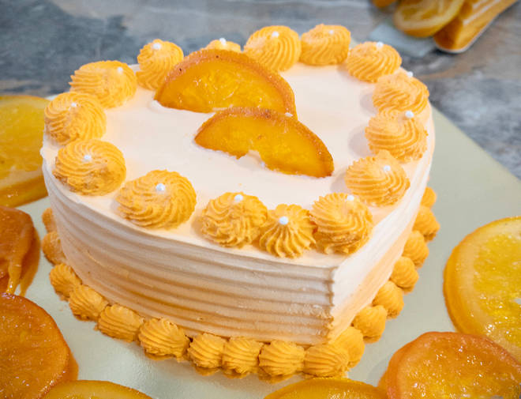
🍊 Restaurant Information

Name | Cakes N More
Area | Mandvi
Rating | 4.2
Total Ratings | 103 ratings
Cuisines | Bakery
Cost for Two | ₹150 for two
Delivery Time | 45 mins
Swiggy URL | https://www.swiggy.com/city/vadodara/cakes-n-more-jalaram-road-mandvi-rest468748
Scraped On | 18 Mar 2026, 10:28 am

── Menu Stats ──
Total Items | 24
Veg Items | 0
Non-Veg Items | 0
Bestsellers | 0
Items with Photo | 11
Categories | Recommended, Cakes, Cakes N More Premium Cakes, Desserts

