Info
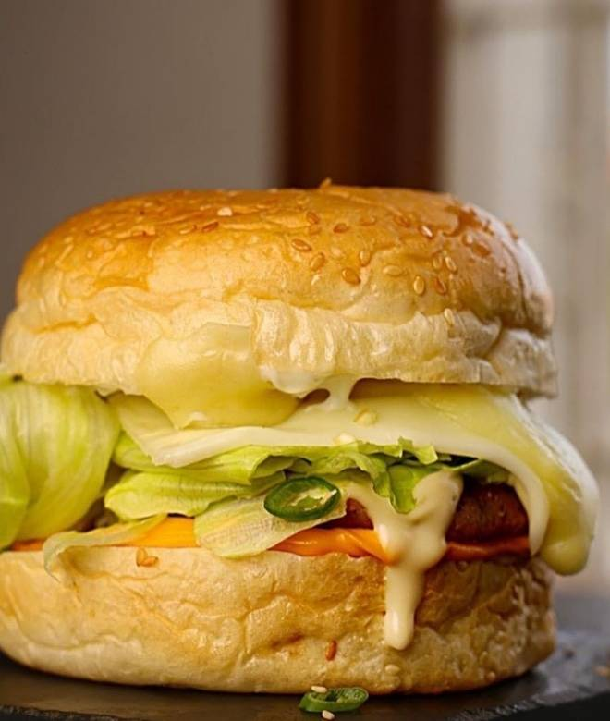
🍊 Restaurant Information

Name | Chai Shotts Cafe
Area | Akota
Rating | 4.1
Total Ratings | 102 ratings
Cuisines | Italian, Mexican
Cost for Two | ₹200 for two
Delivery Time | 28 mins
Swiggy URL | https://www.swiggy.com/city/vadodara/chai-shotts-cafe-manubhai-tower-akota-rest1046410
Scraped On | 18 Mar 2026, 10:30 am

── Menu Stats ──
Total Items | 94
Veg Items | 0
Non-Veg Items | 0
Bestsellers | 0
Items with Photo | 86
Categories | Buy 2 Get 1 Free, Recommended, Waffles, Pizza - 8 Inches, Milkshakes, Maggi, Paratha, Hot Beverages, Pasta, Momos, Garlic Breads, Burgers, Sides & More, Mojitos, Grilled Sandwiches, Brownie, Nasta Special, Pav Bhaji, Soup, Fruit Shots

