Info
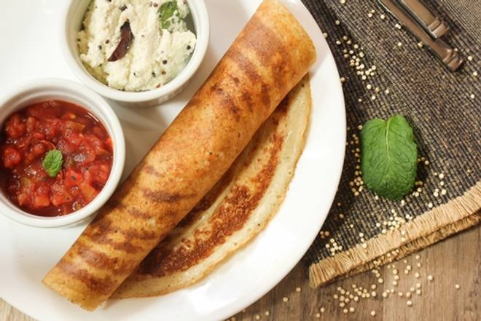
🍊 Restaurant Information

Name | Chatniz
Area | Akota
Rating | 4.2
Total Ratings | 2.0K+ ratings
Cuisines | South Indian, North Indian
Cost for Two | ₹300 for two
Delivery Time | 24 mins
Swiggy URL | https://www.swiggy.com/city/vadodara/chatniz-station-road-akota-rest74802
Scraped On | 18 Mar 2026, 10:32 am

── Menu Stats ──
Total Items | 20
Veg Items | 0
Non-Veg Items | 0
Bestsellers | 0
Items with Photo | 10
Categories | Buy 1 Get 1 Free, Recommended, North Indian Main Course

