Info
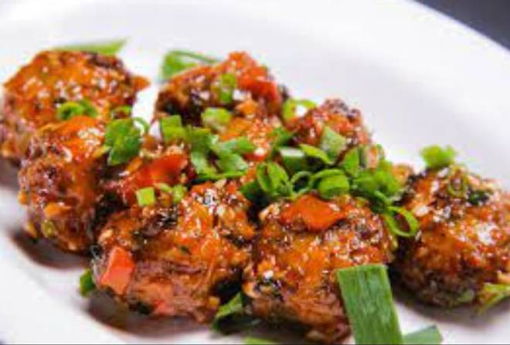
🍊 Restaurant Information

Name | China Town Chinese Food
Area | Mandvi
Rating | 2.3
Total Ratings | 10 ratings
Cuisines | Chinese
Cost for Two | ₹250 for two
Delivery Time | 851 mins
Swiggy URL | https://www.swiggy.com/city/vadodara/china-town-chinese-food-mandvi-rest1165436
Scraped On | 18 Mar 2026, 10:31 am

── Menu Stats ──
Total Items | 42
Veg Items | 0
Non-Veg Items | 0
Bestsellers | 0
Items with Photo | 33
Categories | Noodles, Starters, Chinese Combos, Pasta, Thepla, Fried Rice

