Info
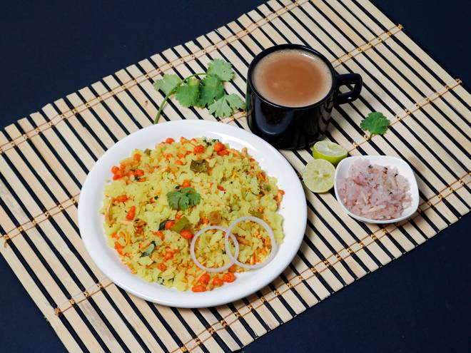
🍊 Restaurant Information

Name | Gajanand Hindu Hotel
Area | Mandvi
Rating | 4.7
Total Ratings | 26 ratings
Cuisines | Snacks
Cost for Two | ₹100 for two
Delivery Time | 29 mins
Swiggy URL | https://www.swiggy.com/city/vadodara/gajanand-hindu-hotel-mg-road-mandvi-rest639767
Scraped On | 18 Mar 2026, 10:34 am

── Menu Stats ──
Total Items | 29
Veg Items | 0
Non-Veg Items | 0
Bestsellers | 0
Items with Photo | 9
Categories | Recommended, Sev Usal, Extra, Sev Tari, Poha

