Info
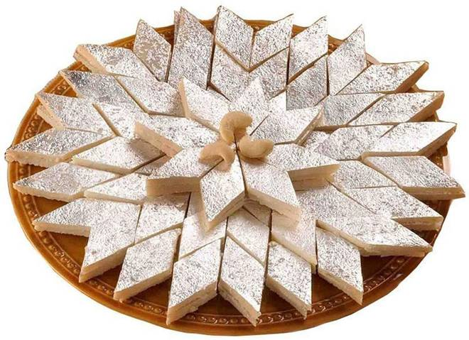
🍊 Restaurant Information

Name | Giriraj Sweet And Farsan Mart
Area | Nizampura
Rating | 4.3
Total Ratings | 133 ratings
Cuisines | Sweets, Desserts
Cost for Two | ₹150 for two
Delivery Time | 30 mins
Swiggy URL | https://www.swiggy.com/city/vadodara/giriraj-sweet-and-farsan-mart-new-sama-nizampura-rest411590
Scraped On | 18 Mar 2026, 10:27 am

── Menu Stats ──
Total Items | 91
Veg Items | 0
Non-Veg Items | 0
Bestsellers | 0
Items with Photo | 58
Categories | Recommended, Ganpati Special Sweet, Khakhra, Bengali Sweets, Namkeen, Hot Sancks, Dessera Special, Sweets

