Info
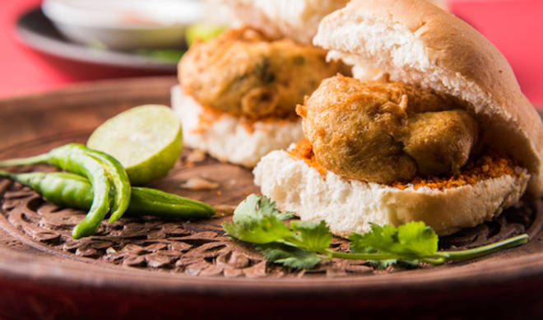
🍊 Restaurant Information

Name | Graduate Vadapav
Area | Karelibaug
Rating | 4.2
Total Ratings | 41 ratings
Cuisines | Street Food
Cost for Two | ₹200 for two
Delivery Time | 32 mins
Swiggy URL | https://www.swiggy.com/city/vadodara/graduate-vadapav-jay-santhoshi-nagar-karelibaug-rest556533
Scraped On | 18 Mar 2026, 10:30 am

── Menu Stats ──
Total Items | 0
Veg Items | 0
Non-Veg Items | 0
Bestsellers | 0
Items with Photo | 0
Categories

