Info
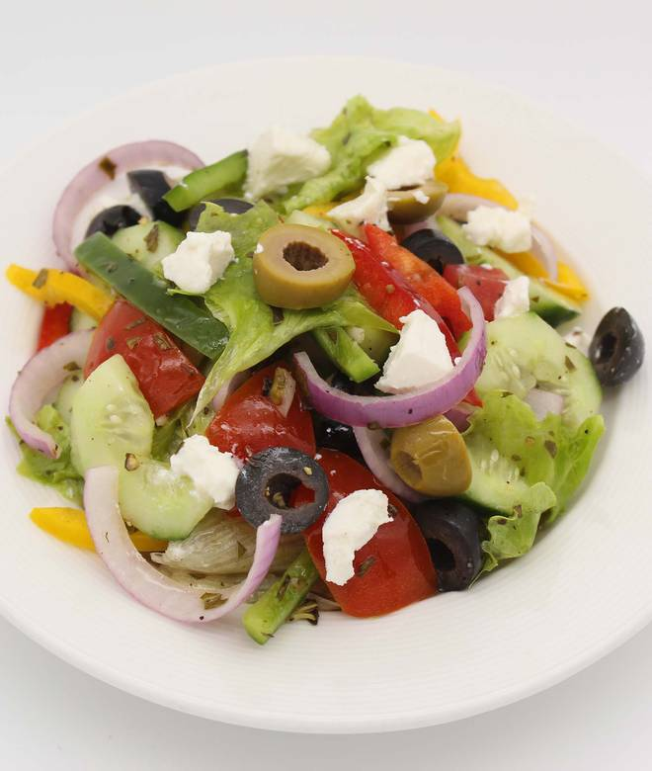
🍊 Restaurant Information

Name | Grand Mercure Vadodara Surya Palace
Area | Sayajiganj
Rating | 4.3
Total Ratings | 169 ratings
Cuisines | Mughlai, South Indian
Cost for Two | ₹750 for two
Delivery Time | 25 mins
Swiggy URL | https://www.swiggy.com/city/vadodara/grand-mercure-vadodara-surya-palace-sayajiganj-rest331917
Scraped On | 18 Mar 2026, 10:28 am

── Menu Stats ──
Total Items | 131
Veg Items | 0
Non-Veg Items | 0
Bestsellers | 0
Items with Photo | 94
Categories | Recommended, Breakfast, Starters, Indian Mains, International Mains, Special Meal Tray, Rice & Biryani, Rice & Noodles, Lentils & Sides, Desserts, Soups, Breads, Salads & Raita, All Day Dining

