Info
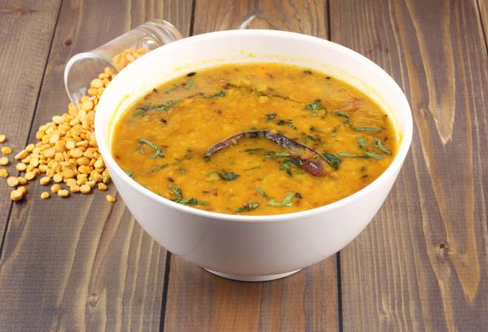
🍊 Restaurant Information

Name | Gujarati Special
Area | Vadiwadi
Rating | --
Total Ratings | Too Few Ratings
Cuisines | Indian
Cost for Two | ₹200 for two
Delivery Time | 75 mins
Swiggy URL | https://www.swiggy.com/city/vadodara/gujarati-special-new-vip-road-vadiwadi-rest634989
Scraped On | 18 Mar 2026, 11:06 am

── Menu Stats ──
Total Items | 5
Veg Items | 0
Non-Veg Items | 0
Bestsellers | 0
Items with Photo | 2
Categories | Recommended, Main Course, Thali

