Info
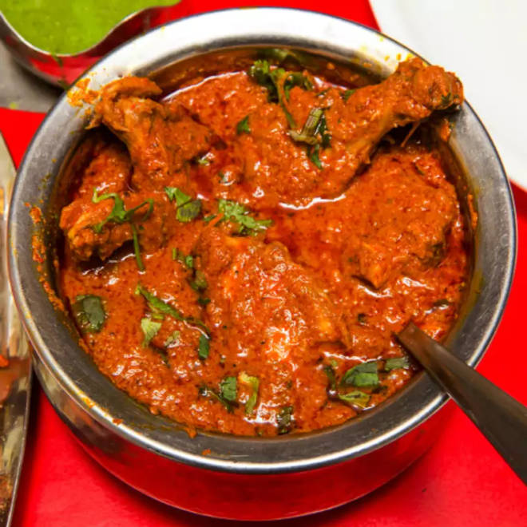
🍊 Restaurant Information

Name | Haji Nisar Caterers
Area | Mandvi
Rating | 4
Total Ratings | 389 ratings
Cuisines | North Indian, Biryani
Cost for Two | ₹300 for two
Delivery Time | 37 mins
Swiggy URL | https://www.swiggy.com/city/vadodara/haji-nisar-caterers-new-vip-road-mandvi-rest609069
Scraped On | 18 Mar 2026, 10:31 am

── Menu Stats ──
Total Items | 18
Veg Items | 0
Non-Veg Items | 0
Bestsellers | 0
Items with Photo | 9
Categories | Recommended, Mutton Dal Pulav, Must Try Combos, Plain Rice, Kheema Paratha, Chicken Starter

