Info
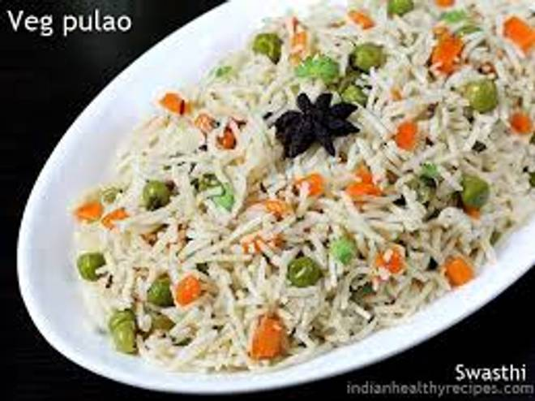
🍊 Restaurant Information

Name | Infinity Foods
Area | Fatehgunj
Rating | 4
Total Ratings | 33 ratings
Cuisines | Biryani, Punjabi
Cost for Two | ₹199 for two
Delivery Time | 39 mins
Swiggy URL | https://www.swiggy.com/city/vadodara/infinity-foods-fatehgunj-rest1223562
Scraped On | 18 Mar 2026, 11:07 am

── Menu Stats ──
Total Items | 101
Veg Items | 0
Non-Veg Items | 0
Bestsellers | 0
Items with Photo | 100
Categories | Buy 1 Get 1 Free, Combo meals, Chinese specialities, Rice & briyani, Panner main course, Bread & parathas, Veg starters, Jain, Cheese and nut speciality, Vegetable gravies, Koftas & mushrooms, Dal main course, Desert & beverages, Vegetable main course

