Info
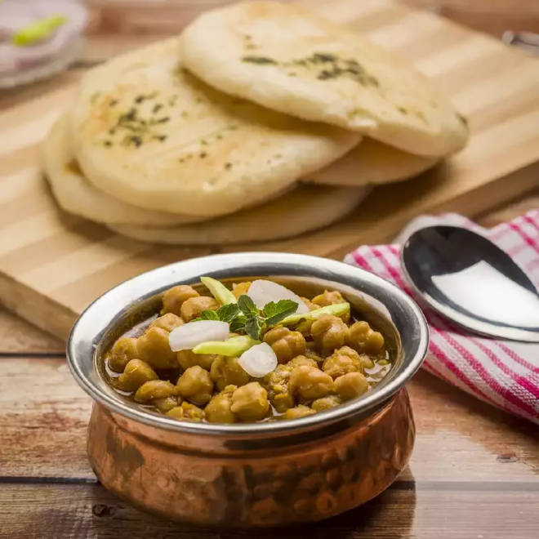
🍊 Restaurant Information

Name | Jaggi De Chhole Kulche
Area | Mandvi
Rating | 4
Total Ratings | 76 ratings
Cuisines | North Indian, Fast Food
Cost for Two | ₹300 for two
Delivery Time | 35 mins
Swiggy URL | https://www.swiggy.com/city/vadodara/jaggi-de-chhole-kulche-khanderao-market-mandvi-rest852578
Scraped On | 18 Mar 2026, 10:28 am

── Menu Stats ──
Total Items | 40
Veg Items | 0
Non-Veg Items | 0
Bestsellers | 0
Items with Photo | 19
Categories | Recommended, Regular Meal Delight, Jumbo Delight, Add On As Your Delight, Beverages, Papad, Sweets, Kulcha pizza, Kulhad tea

