Info
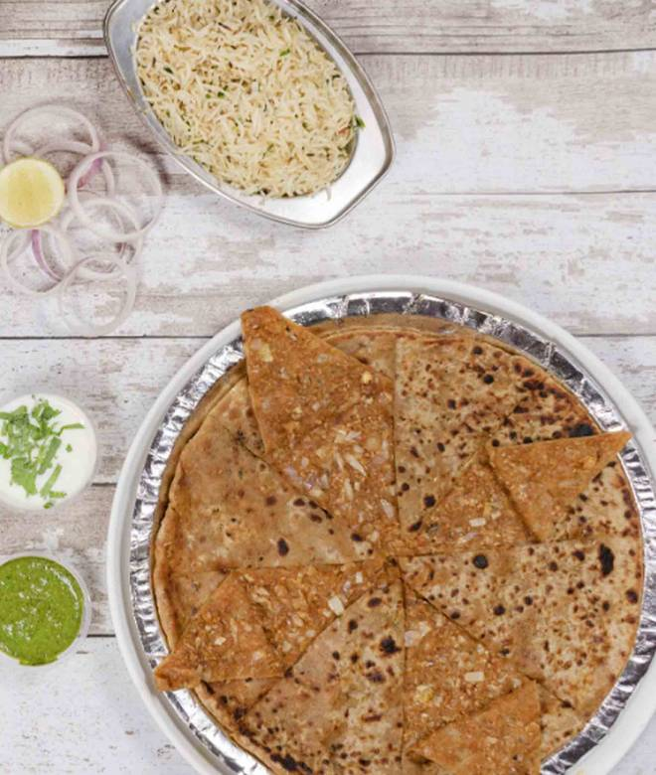
🍊 Restaurant Information

Name | Jashn-E-Paratha Express
Area | Diwalipura
Rating | 4.5
Total Ratings | 7.0K+ ratings
Cuisines | North Indian, Beverages
Cost for Two | ₹250 for two
Delivery Time | 28 mins
Swiggy URL | https://www.swiggy.com/city/vadodara/jashn-e-paratha-express-diwalipura-rest69865
Scraped On | 18 Mar 2026, 11:06 am

── Menu Stats ──
Total Items | 140
Veg Items | 0
Non-Veg Items | 0
Bestsellers | 0
Items with Photo | 50
Categories | Recommended, Paratha, Paratha Platters, Special Mini Meals, Curries/sabzi, Wonderful Combos, Biryani, Dal Se, Beverages, Chaas, Roti, Extras, Accompaniments

