Info
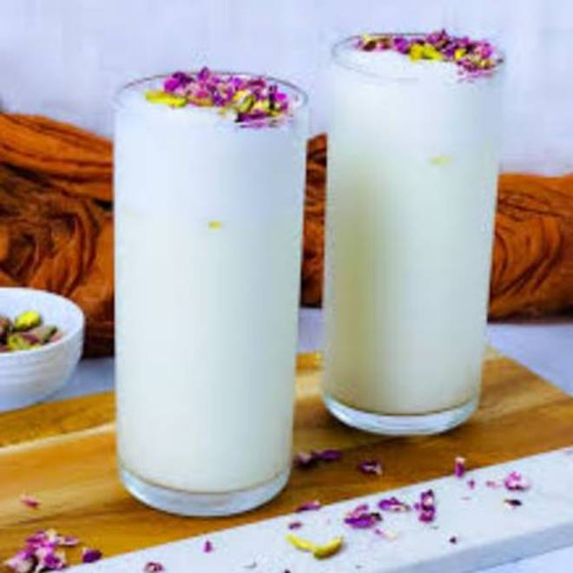
🍊 Restaurant Information

Name | Jay Bhole Lassi Center
Area | Mandvi
Rating | 4.5
Total Ratings | 30 ratings
Cuisines | Beverages
Cost for Two | ₹250 for two
Delivery Time | 23 mins
Swiggy URL | https://www.swiggy.com/city/vadodara/jay-bhole-lassi-center-mandvi-rest1032663
Scraped On | 18 Mar 2026, 10:28 am

── Menu Stats ──
Total Items | 28
Veg Items | 0
Non-Veg Items | 0
Bestsellers | 0
Items with Photo | 0
Categories | Lassi

