Info
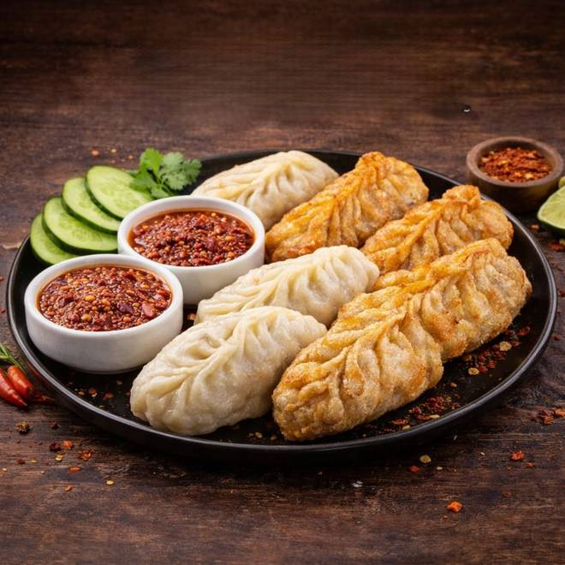
🍊 Restaurant Information

Name | Khushi Cafe
Area | Navapura
Rating | NEW
Total Ratings
Cuisines | Nepalese, Asian
Cost for Two | ₹111 for two
Delivery Time | 39 mins
Swiggy URL | https://www.swiggy.com/city/vadodara/khushi-cafe-mandvi-navapura-rest1331602
Scraped On | 18 Mar 2026, 10:33 am

── Menu Stats ──
Total Items | 21
Veg Items | 0
Non-Veg Items | 0
Bestsellers | 0
Items with Photo | 21
Categories | Momos Corner, Snacks, Momos Combo

