Info
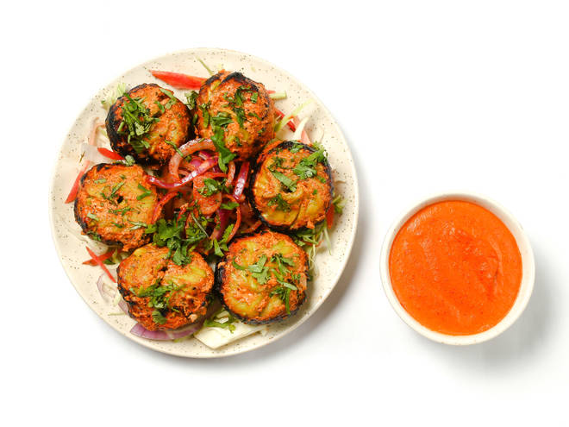
🍊 Restaurant Information

Name | King Momos
Area | Akota
Rating | 4.5
Total Ratings | 42 ratings
Cuisines | Fast Food
Cost for Two | ₹300 for two
Delivery Time | 31 mins
Swiggy URL | https://www.swiggy.com/city/vadodara/king-momos-nand-agricultural-university-farm-akota-rest710416
Scraped On | 18 Mar 2026, 10:30 am

── Menu Stats ──
Total Items | 16
Veg Items | 0
Non-Veg Items | 0
Bestsellers | 0
Items with Photo | 0
Categories | Momos , Chicken Momos, Chopsuey, Soups , Soups, Momos, Snacks

