Info
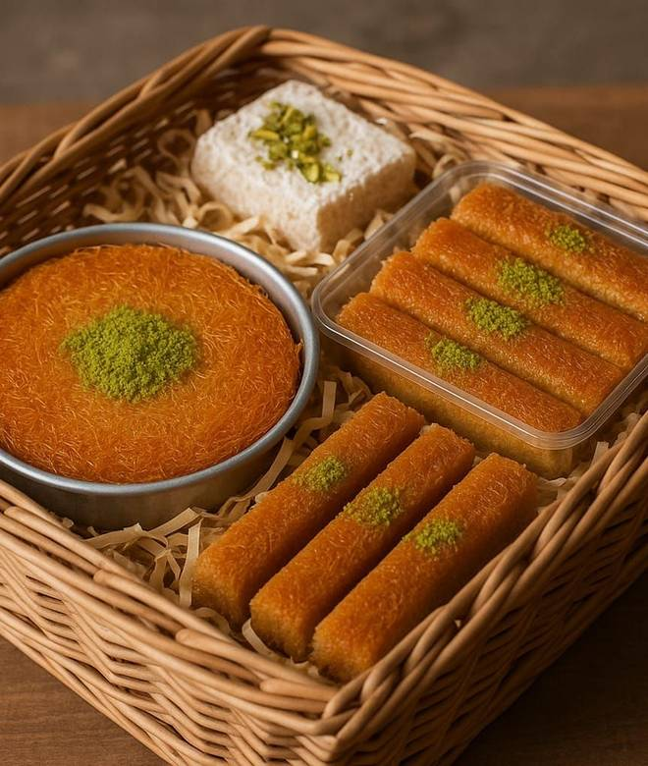
🍊 Restaurant Information

Name | Kunafa House
Area | Bahar colony
Rating | 2.8
Total Ratings | 14 ratings
Cuisines | Turkish, Italian
Cost for Two | ₹300 for two
Delivery Time | 42 mins
Swiggy URL | https://www.swiggy.com/city/vadodara/kunafa-house-mandvi-bahar-colony-rest1193854
Scraped On | 18 Mar 2026, 10:30 am

── Menu Stats ──
Total Items | 29
Veg Items | 0
Non-Veg Items | 0
Bestsellers | 0
Items with Photo | 18
Categories | Buy 2 Get 1 Free, Fresh Celebration Cakes, Kunafa: The Authentic Turkish Sweet

