Info
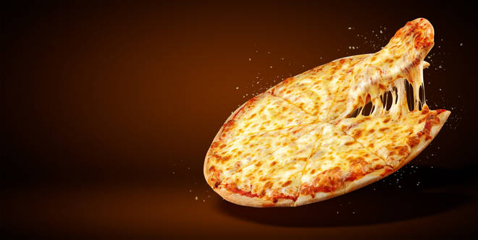
🍊 Restaurant Information

Name | La Pizzeria
Area | Kendranagar
Rating | 3
Total Ratings | 3 ratings
Cuisines | Pizzas, Italian
Cost for Two | ₹300 for two
Delivery Time | 37 mins
Swiggy URL | https://www.swiggy.com/city/vadodara/la-pizzeria-zaver-nagar-kendranagar-rest458249
Scraped On | 18 Mar 2026, 10:35 am

── Menu Stats ──
Total Items | 0
Veg Items | 0
Non-Veg Items | 0
Bestsellers | 0
Items with Photo | 0
Categories

