Info
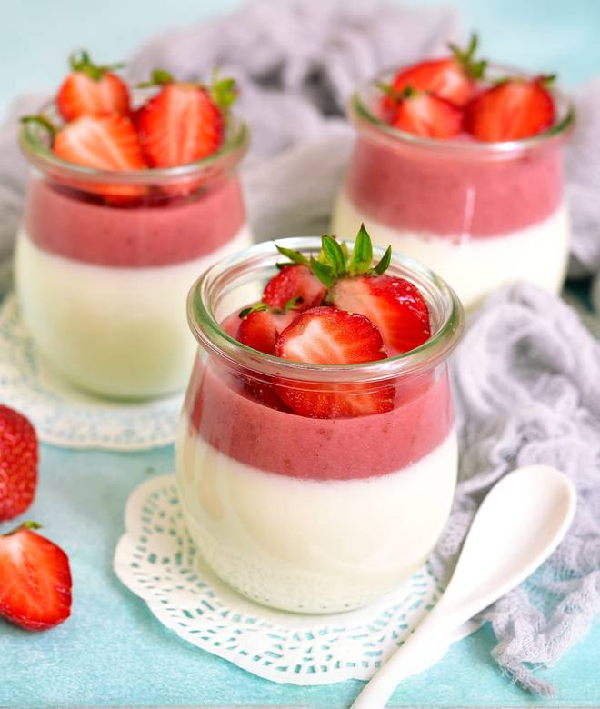
🍊 Restaurant Information

Name | London Dairy
Area | Akota
Rating | 4.1
Total Ratings | 18 ratings
Cuisines | Desserts, Ice Cream
Cost for Two | ₹280 for two
Delivery Time | 29 mins
Swiggy URL | https://www.swiggy.com/city/vadodara/london-dairy-akota-rest365050
Scraped On | 18 Mar 2026, 10:30 am

── Menu Stats ──
Total Items | 32
Veg Items | 0
Non-Veg Items | 0
Bestsellers | 0
Items with Photo | 25
Categories | Recommended, Ice Cream Stick, Single Serves 125 Ml, Fruit & Yoghurt 500 Ml, Nutty Delight 500 Ml, Luxury Desserts 500 Ml, Take Home Packs 1 Litre, Chocolate Indulgence 500 Ml, Sugar Free 500 Ml

