Info
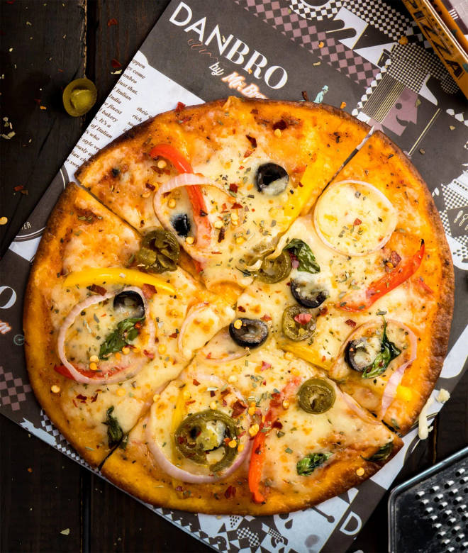
🍊 Restaurant Information

Name | Majedar Pizza
Area | Mandvi
Rating | 2.8
Total Ratings | 6 ratings
Cuisines | Pizzas
Cost for Two | ₹250 for two
Delivery Time | 850 mins
Swiggy URL | https://www.swiggy.com/city/vadodara/majedar-pizza-mandvi-rest1165437
Scraped On | 18 Mar 2026, 10:28 am

── Menu Stats ──
Total Items | 25
Veg Items | 0
Non-Veg Items | 0
Bestsellers | 0
Items with Photo | 5
Categories | Pizza, Sandwich

