Info
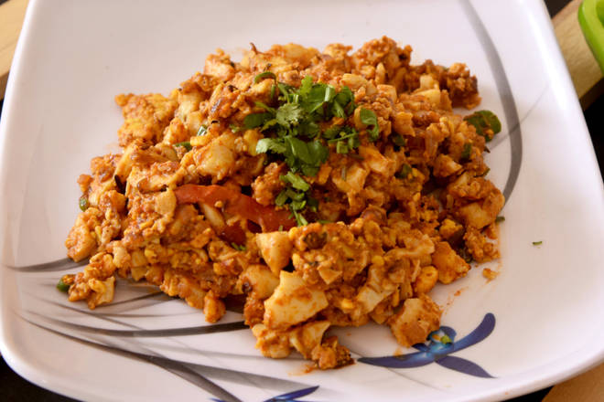
🍊 Restaurant Information

Name | Mira Egg Zone
Area | Kendranagar
Rating | --
Total Ratings | Too Few Ratings
Cuisines | Indian, North Indian
Cost for Two | ₹250 for two
Delivery Time | 47 mins
Swiggy URL | https://www.swiggy.com/city/vadodara/mira-egg-zone-dhanlaxmi-society-kendranagar-rest505412
Scraped On | 18 Mar 2026, 11:06 am

── Menu Stats ──
Total Items | 62
Veg Items | 0
Non-Veg Items | 0
Bestsellers | 0
Items with Photo | 7
Categories | Recommended, Omelette, Pulav Item, Main Course, Add On, Egg Boil, Extra Add On

