Info
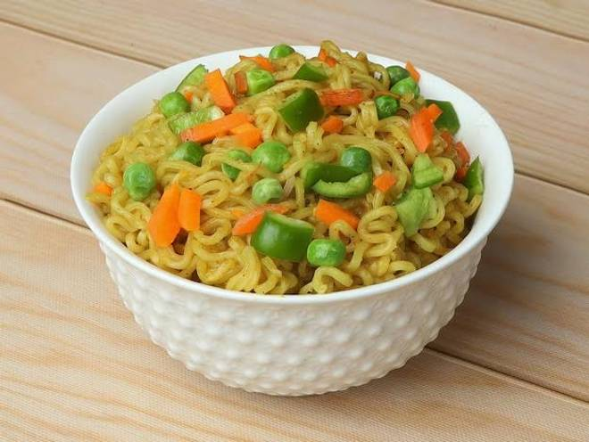
🍊 Restaurant Information

Name | Momo Heaven & Chinese Delight
Area | Fatehgunj
Rating | 4.3
Total Ratings | 29 ratings
Cuisines | Fast Food, Cafe
Cost for Two | ₹300 for two
Delivery Time | 38 mins
Swiggy URL | https://www.swiggy.com/city/vadodara/momo-heaven-and-chinese-delight-amit-nagar-fatehgunj-rest879600
Scraped On | 18 Mar 2026, 10:35 am

── Menu Stats ──
Total Items | 41
Veg Items | 0
Non-Veg Items | 0
Bestsellers | 0
Items with Photo | 12
Categories | Recommended, Momos, Maggie, cold drink , Starters, Noodles , Water Bottle, Spring Roll, Rice, Fast Special

