Info
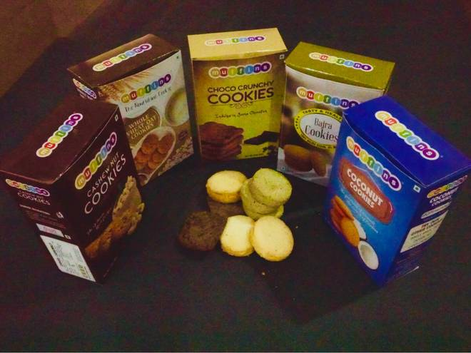
🍊 Restaurant Information

Name | Muffins
Area | Karelibaug
Rating | 3.9
Total Ratings | <3 ratings
Cuisines | Bakery, Desserts
Cost for Two | ₹450 for two
Delivery Time | 32 mins
Swiggy URL | https://www.swiggy.com/city/vadodara/muffins-gotri-karelibaug-rest112228
Scraped On | 18 Mar 2026, 10:30 am

── Menu Stats ──
Total Items | 0
Veg Items | 0
Non-Veg Items | 0
Bestsellers | 0
Items with Photo | 0
Categories

