Info
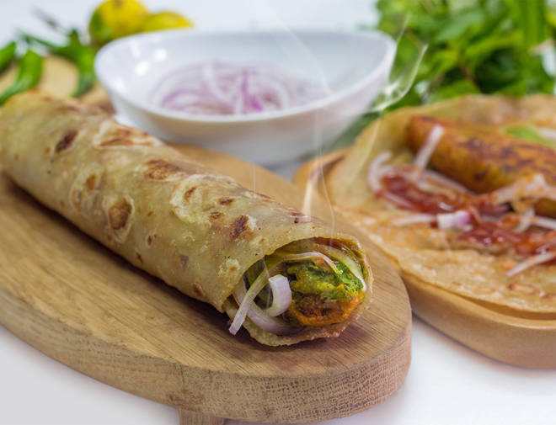
🍊 Restaurant Information

Name | My Frankie
Area | Karelibaug
Rating | 4.1
Total Ratings | 787 ratings
Cuisines | Snacks
Cost for Two | ₹200 for two
Delivery Time | 28 mins
Swiggy URL | https://www.swiggy.com/city/vadodara/my-frankie-vip-road-karelibaug-rest370164
Scraped On | 18 Mar 2026, 10:29 am

── Menu Stats ──
Total Items | 46
Veg Items | 0
Non-Veg Items | 0
Bestsellers | 0
Items with Photo | 32
Categories | Recommended, Frankie, Hot Dog, Pizza, Sandwich, Burger, Puff, French Fries, Maggi

