Info
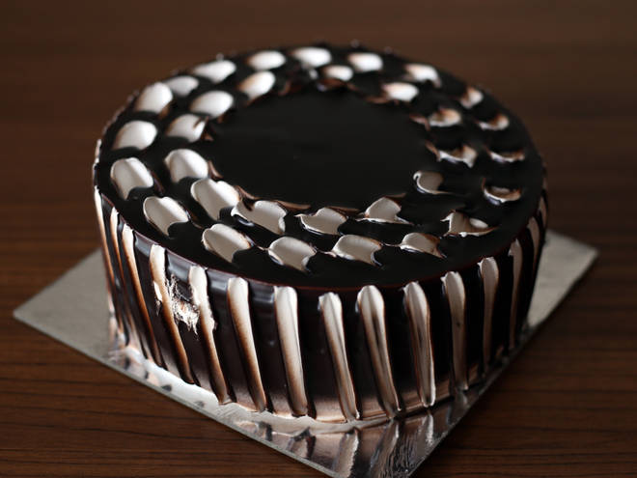
🍊 Restaurant Information

Name | Oven Magick
Area | Nizampura
Rating | 4.5
Total Ratings | 394 ratings
Cuisines | Bakery, Desserts
Cost for Two | ₹300 for two
Delivery Time | 21 mins
Swiggy URL | https://www.swiggy.com/city/vadodara/oven-magick-fategunj-road-nizampura-rest76069
Scraped On | 18 Mar 2026, 10:34 am

── Menu Stats ──
Total Items | 42
Veg Items | 0
Non-Veg Items | 0
Bestsellers | 0
Items with Photo | 25
Categories | Recommended, Cakes, Pastries & Pies, Tea Cakes & Muffins, Daily Breads, Pizza Base, Doughnuts and Cup Cakes, Lavash & Crackers, Tea Time Assortments

