Info
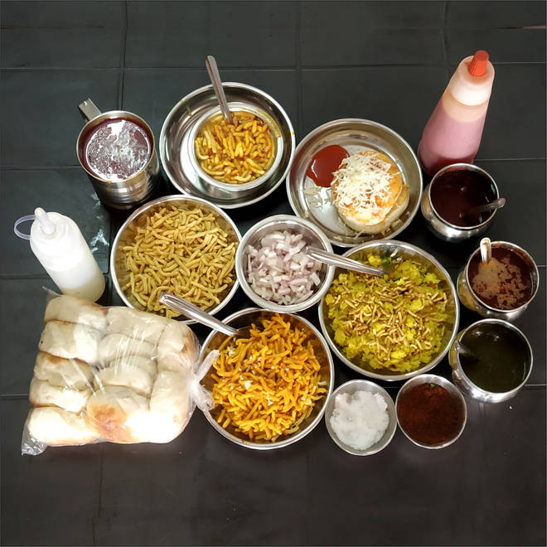
🍊 Restaurant Information

Name | Patel Chula Sev Usad
Area | Mandvi
Rating | 3.7
Total Ratings | 1.0K+ ratings
Cuisines | Gujarati
Cost for Two | ₹120 for two
Delivery Time | 30 mins
Swiggy URL | https://www.swiggy.com/city/vadodara/patel-chula-sev-usad-mandvi-rest175220
Scraped On | 18 Mar 2026, 10:34 am

── Menu Stats ──
Total Items | 50
Veg Items | 0
Non-Veg Items | 0
Bestsellers | 0
Items with Photo | 4
Categories | Recommended, Double Combo Offers, Single Combo Offers, Sev Tari Combo, Sev Usal, Sev Tari, Double Combos, Bhajiya , Accompaniments, Single Combos, Bhajiya Usad Mini Combo, Bun, Poha, Bhajiya, Extra

