Info
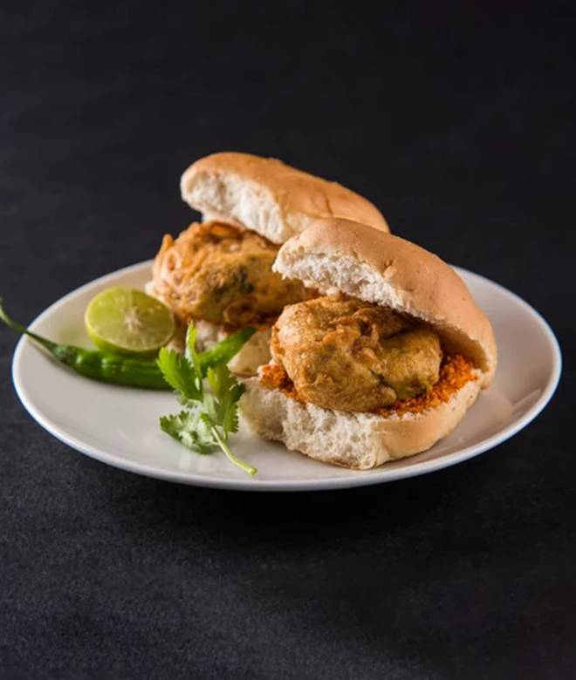
🍊 Restaurant Information

Name | Radhe Fast Food
Area | Mandvi
Rating | 4.9
Total Ratings | 24 ratings
Cuisines | Fast Food, Street Food
Cost for Two | ₹150 for two
Delivery Time | 39 mins
Swiggy URL | https://www.swiggy.com/city/vadodara/radhe-fast-food-warasiya-police-chowky-gate-mandvi-rest673094
Scraped On | 18 Mar 2026, 10:30 am

── Menu Stats ──
Total Items | 72
Veg Items | 0
Non-Veg Items | 0
Bestsellers | 0
Items with Photo | 25
Categories | Tawa Paratha With Sabji, Punjabi sp. paratha and masti dahi, Maggi, Dawat Se Bani Biryani, Punjabi Special Chole Bhature, Punjabi Special Chole Kulcha, Kulcha Variety, Sindhi special dal pakwan, Big Bachat Meals, Sindhi special koki and dahi, Extras, Sindhi sp. chilli chapati, Aloo sabji with poori, Add Ons

