Info
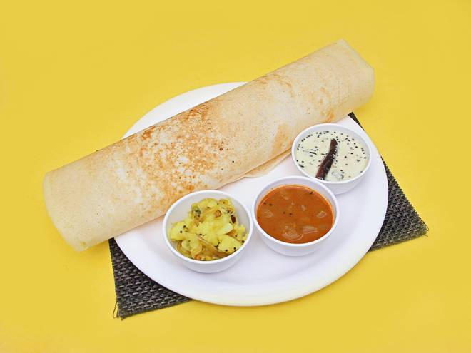
🍊 Restaurant Information

Name | Raju Dhosa Centre
Area | Fatehgunj
Rating | 4.5
Total Ratings | 238 ratings
Cuisines | South Indian, Chinese
Cost for Two | ₹300 for two
Delivery Time | 31 mins
Swiggy URL | https://www.swiggy.com/city/vadodara/raju-dhosa-centre-nbcc-plaza-fatehgunj-rest775125
Scraped On | 18 Mar 2026, 10:32 am

── Menu Stats ──
Total Items | 250
Veg Items | 0
Non-Veg Items | 0
Bestsellers | 0
Items with Photo | 249
Categories | Recommended, New Variety, Varieties Of Masala Dosa, Jain Items, Special Variety , Chinese Items, Varieties Of Mysore Dosa, Varieties Of Sada Dosa, Varieties Of Multi Grain Dosa , Idli Vada, Varieties Of Uttappa'S , Pulav, Pav-Bhaji, Varieties Of Multi Grain Dosa, Kids Special Dosa, Special Variety, Varieties Of Uttappa'S, Varieties Of Rava Dosa, Pav-Bhaji

