Info
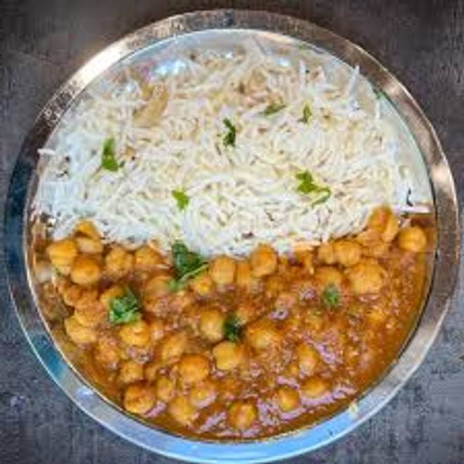
🍊 Restaurant Information

Name | Raju's Kitchen
Area | Saiyajipura
Rating | --
Total Ratings | Too Few Ratings
Cuisines | South Indian, Maharashtrian
Cost for Two | ₹255 for two
Delivery Time | 43 mins
Swiggy URL | https://www.swiggy.com/city/vadodara/rajus-kitchen-karelibaug-saiyajipura-rest1041443
Scraped On | 18 Mar 2026, 11:07 am

── Menu Stats ──
Total Items | 0
Veg Items | 0
Non-Veg Items | 0
Bestsellers | 0
Items with Photo | 0
Categories

