Info
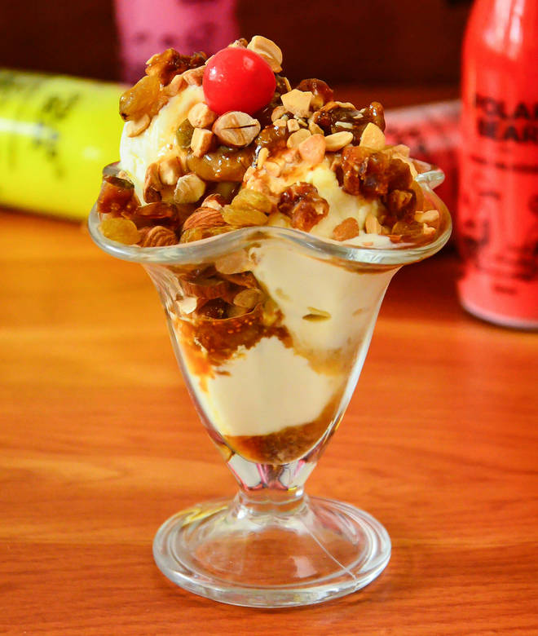
🍊 Restaurant Information

Name | Ratnadeep Ice Cream and Famous Lassi
Area | Danteshwar
Rating | 4.7
Total Ratings | 203 ratings
Cuisines | Ice Cream, Beverages
Cost for Two | ₹250 for two
Delivery Time | 32 mins
Swiggy URL | https://www.swiggy.com/city/vadodara/ratnadeep-ice-cream-and-famous-lassi-pratapnagar-road-danteshwar-rest453634
Scraped On | 18 Mar 2026, 10:29 am

── Menu Stats ──
Total Items | 118
Veg Items | 0
Non-Veg Items | 0
Bestsellers | 0
Items with Photo | 48
Categories | Recommended, Thick Shakes, Juice, Special Fruit Salad Variety, Falooda, Lassi, Cold Coco Royal, Ice Cream, Rajasthani Bombay Chaupati

