Info
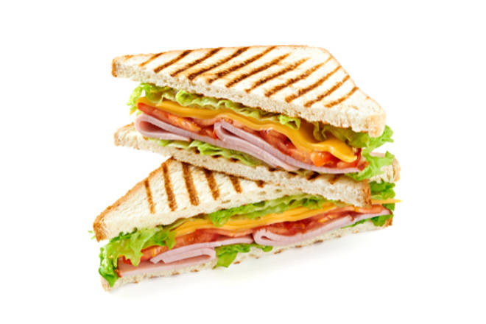
🍊 Restaurant Information

Name | Refuel Cafe
Area | Fatehgunj
Rating | 3.9
Total Ratings | 19 ratings
Cuisines | Indian
Cost for Two | ₹300 for two
Delivery Time | 29 mins
Swiggy URL | https://www.swiggy.com/city/vadodara/refuel-cafe-jayesh-colony-fatehgunj-rest252392
Scraped On | 18 Mar 2026, 10:35 am

── Menu Stats ──
Total Items | 5
Veg Items | 0
Non-Veg Items | 0
Bestsellers | 0
Items with Photo | 3
Categories | Potato Varieties

