Info
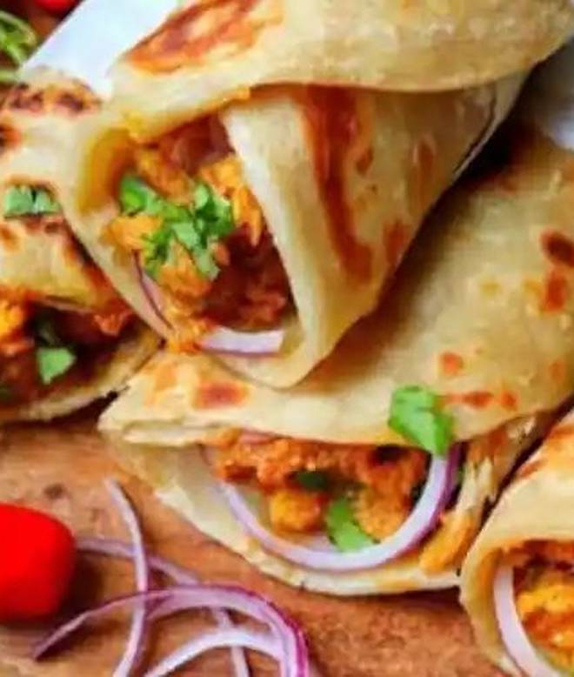
🍊 Restaurant Information

Name | Royal Frankies
Area | Fatehgunj
Rating | 4.3
Total Ratings | 4.1K+ ratings
Cuisines | rolls, Burgers
Cost for Two | ₹250 for two
Delivery Time | 15 mins
Swiggy URL | https://www.swiggy.com/city/vadodara/royal-frankies-main-road-fatehgunj-rest127425
Scraped On | 18 Mar 2026, 10:29 am

── Menu Stats ──
Total Items | 59
Veg Items | 0
Non-Veg Items | 0
Bestsellers | 0
Items with Photo | 49
Categories | Recommended, Chicken Frankie, Veg Frankie, Egg Frankie, Chicken Burger, Veg Burger, Nuggets 4 Popcorn, Veg Hot Dog, Chicken Hot Dog

