Info
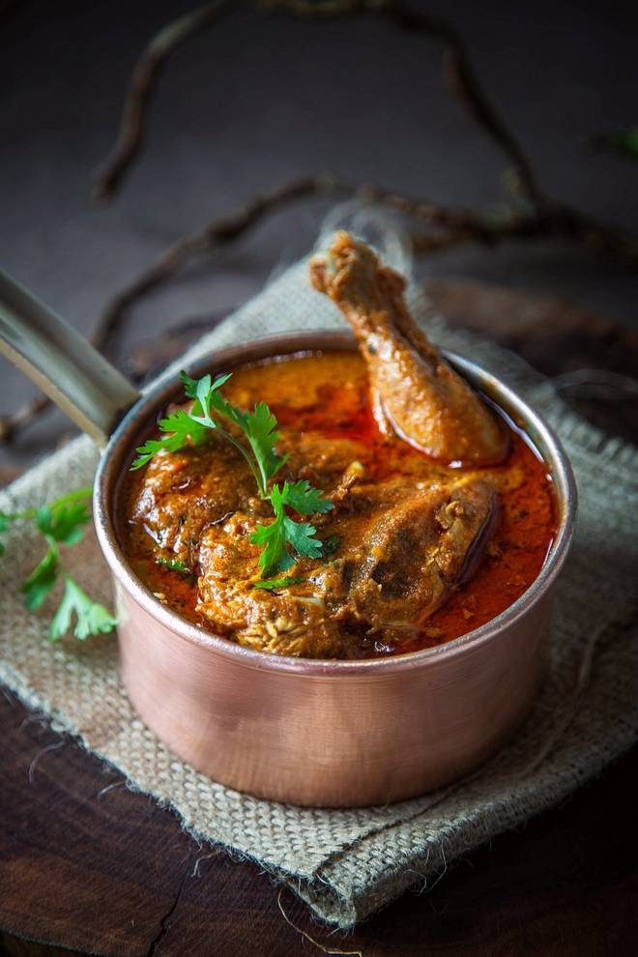
🍊 Restaurant Information

Name | Ruby's Kitchen
Area | Fatehgunj
Rating | 2.9
Total Ratings | 5 ratings
Cuisines | North Indian
Cost for Two | ₹400 for two
Delivery Time | 32 mins
Swiggy URL | https://www.swiggy.com/city/vadodara/rubys-kitchen-eme-mandir-marg-fatehgunj-rest512533
Scraped On | 18 Mar 2026, 10:35 am

── Menu Stats ──
Total Items | 25
Veg Items | 0
Non-Veg Items | 0
Bestsellers | 0
Items with Photo | 22
Categories | Recommended, Salad, Chatni, Snack

