Info
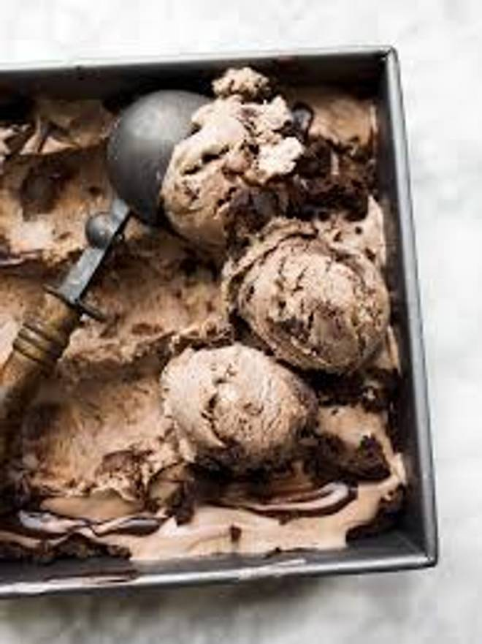
🍊 Restaurant Information

Name | Santushti Shakes And More
Area | Mandvi
Rating | 3.8
Total Ratings | 32 ratings
Cuisines | Beverages, Snacks
Cost for Two | ₹450 for two
Delivery Time | 34 mins
Swiggy URL | https://www.swiggy.com/city/vadodara/santushti-shakes-and-more-mandvi-rest1070620
Scraped On | 18 Mar 2026, 10:34 am

── Menu Stats ──
Total Items | 173
Veg Items | 0
Non-Veg Items | 0
Bestsellers | 0
Items with Photo | 109
Categories | Waffles, Cheese Cakes, Royal Falooda, Coffee Treats 300ml, Holi Special, Chilling Special 300 Ml, Thick Shakes, Zero Sugar Thick Shakes 300ml, Cold Coco 300ml, Brownie Fudge Bowl, Nut Thick Shakes 300ml, Winter Special, Family Pack 750 Ml, Milk Shakes, Fry, Burger, Ice Cream, Thick Shakes 300ml

