Info
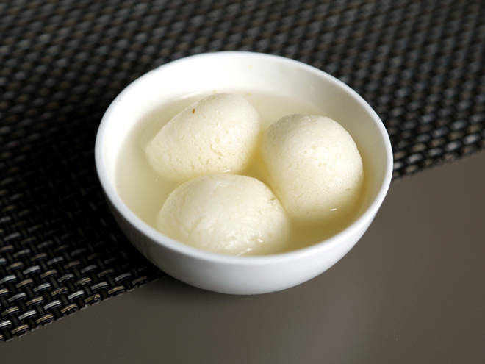
🍊 Restaurant Information

Name | Shiv Bharti Sweet And Farsan
Area | Harni
Rating | --
Total Ratings | Too Few Ratings
Cuisines | Sweets, Snacks
Cost for Two | ₹300 for two
Delivery Time | 49 mins
Swiggy URL | https://www.swiggy.com/city/vadodara/shiv-bharti-sweet-and-farsan-harni-rest547051
Scraped On | 18 Mar 2026, 11:06 am

── Menu Stats ──
Total Items | 98
Veg Items | 0
Non-Veg Items | 0
Bestsellers | 0
Items with Photo | 0
Categories | Quick Bites, Dessert, Sweets, Main Course

