Info
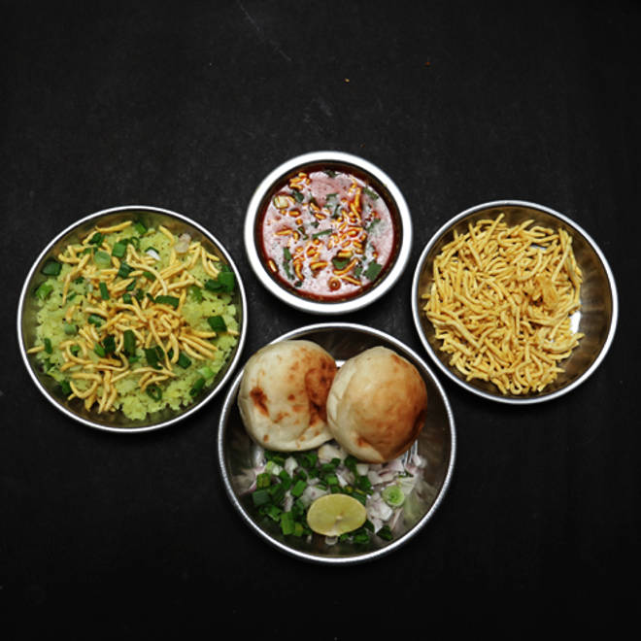
🍊 Restaurant Information

Name | Shree Ganesh Farshan Mart
Area | Mandvi
Rating | 4.3
Total Ratings | 615 ratings
Cuisines | Chaat
Cost for Two | ₹150 for two
Delivery Time | 29 mins
Swiggy URL | https://www.swiggy.com/city/vadodara/shree-ganesh-farshan-mart-raopura-main-road-mandvi-rest93804
Scraped On | 18 Mar 2026, 10:30 am

── Menu Stats ──
Total Items | 22
Veg Items | 0
Non-Veg Items | 0
Bestsellers | 0
Items with Photo | 8
Categories | Recommended, Farshan, Sev Usal, Navratri Specials

