Info
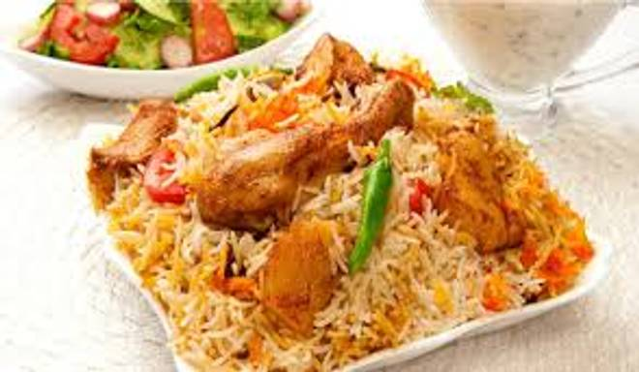
🍊 Restaurant Information

Name | Shree Maruti Farali Centre
Area | Akota
Rating | 4.1
Total Ratings | 93 ratings
Cuisines | Indian, Fast Food
Cost for Two | ₹149 for two
Delivery Time | 19 mins
Swiggy URL | https://www.swiggy.com/city/vadodara/shree-maruti-farali-centre-sayajiganj-road-akota-rest973976
Scraped On | 18 Mar 2026, 10:32 am

── Menu Stats ──
Total Items | 20
Veg Items | 0
Non-Veg Items | 0
Bestsellers | 0
Items with Photo | 17
Categories | Recommended, Farali foods

