Info
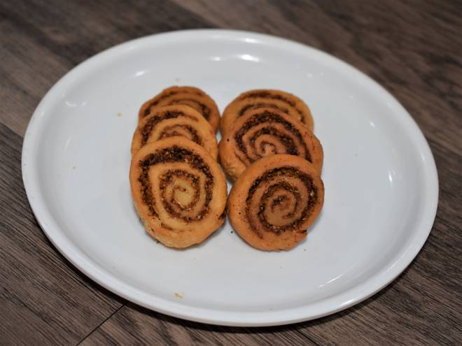
🍊 Restaurant Information

Name | Shree Nasta House
Area | Akota
Rating | 3.8
Total Ratings | 77 ratings
Cuisines | Snacks, Sweets
Cost for Two | ₹250 for two
Delivery Time | 14 mins
Swiggy URL | https://www.swiggy.com/city/vadodara/shree-nasta-house-jain-derasar-akota-rest516500
Scraped On | 18 Mar 2026, 10:33 am

── Menu Stats ──
Total Items | 35
Veg Items | 0
Non-Veg Items | 0
Bestsellers | 0
Items with Photo | 23
Categories | Recommended, Farshan, Sweets

